Introduction
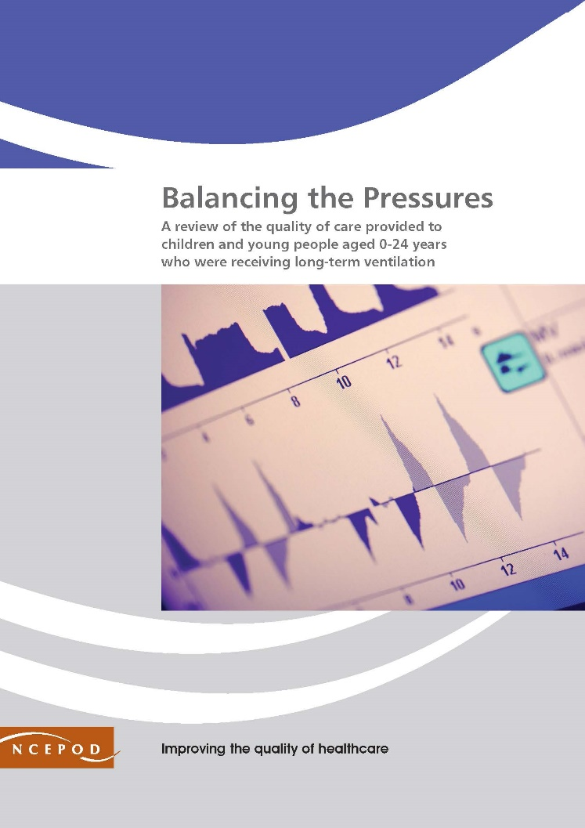

https://www.ncepod.org.uk/2020ltv.html
Long Term Ventilation
Audit Toolkit - Admissions (tool 2 of 3)
To be completed for patients aged 0-24 years receiving LTV, who had a hospital admission in the last 2 years that wasn’t their initiating admission

To be completed by the clinician responsible for the patient at the time of the admission (we encourage you to share your results with the wider team)
Audit tools are available for ongoing care (tool 1) and new initiations (tool 3) on our website

Thank you for downloading the toolkit for ''Balancing the Pressures'. We hope you find this useful. If you have any feedback, please email us at info@ncepod.org.uk Please could you advise your local audit department if you plan to undertake this audit. It is important that they are made aware of it for the benefit of demonstrating Trust/Health Board activity and also so that they are in a position to support you and endorse the activity for your benefit.
This NCEPOD study focused on a review of the quality of care provided to children and young people aged 0-24 years who were receiving long-term ventilation.

For information on the recommendation to which each question assesses, please click on the button
This toolkit can be used in conjunction with the Recommendation Checklist. This can be found by clicking on the adjacent report image or this link:
https://www.ncepod.org.uk/2020ltv.html

Summary
Extent to which each recommendation has been met (%)
Recommendation - Sub criteria question number (reference only)
 | 10 | 8 | 11 | RAG system (NCEPOD recommends these are set at the following limits, however these can be adapted by your Trust/Health Board where appropriate by amending the thresholds as required) | %
 | 4 | 8a | 9a
 | 5 | 8b | 9b
 | 6 |  | 9c
 | 7 |  | 9d
 |  |  | 9e | Green | 100
 |  |  |  | Amber | 50-99
 |  |  |  | Red | 0-49

 | Recommendation - Sub criteria questions (score)
 | 10 | 8 | 11
 | No data | No data | No data
 | No data | No data | No data
 | No data |  | No data
 | No data |  | No data
 |  |  | No data

 | Average % of recommendation
 | No data | No data | No data

